Sloan Rent
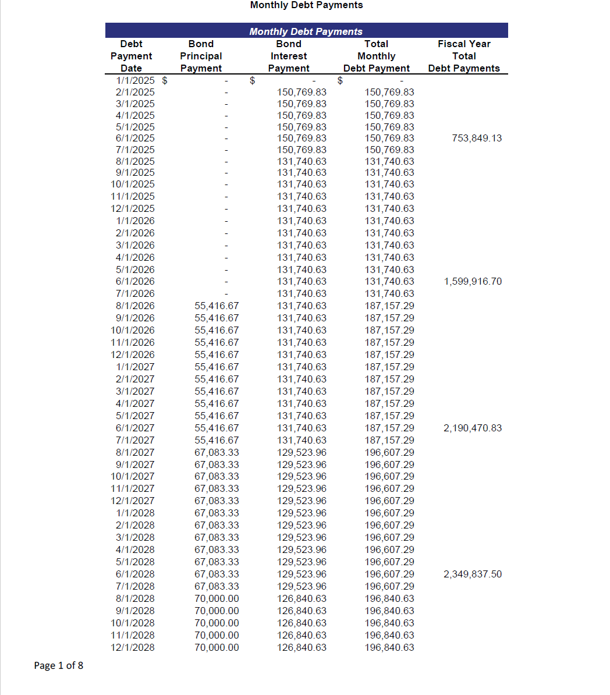
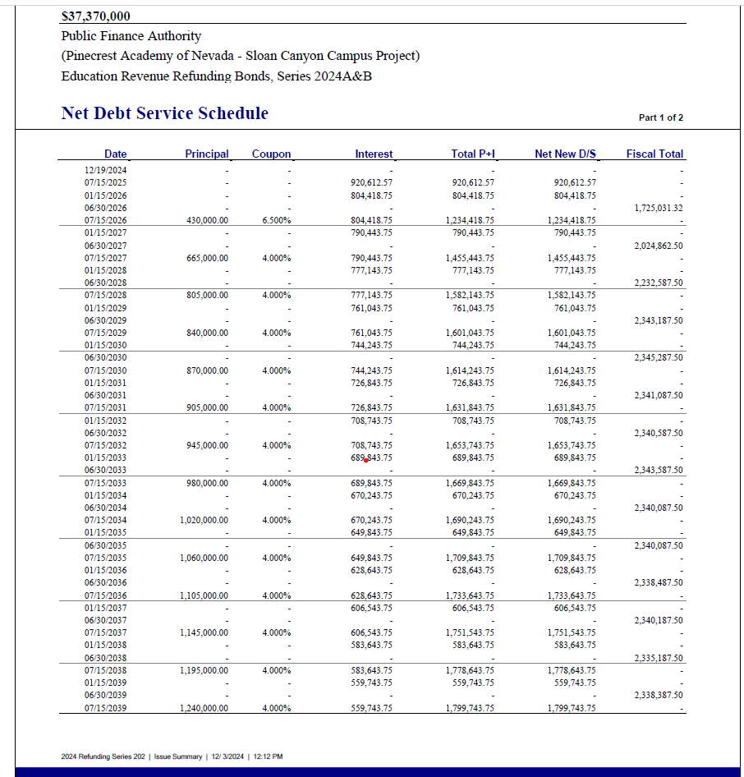
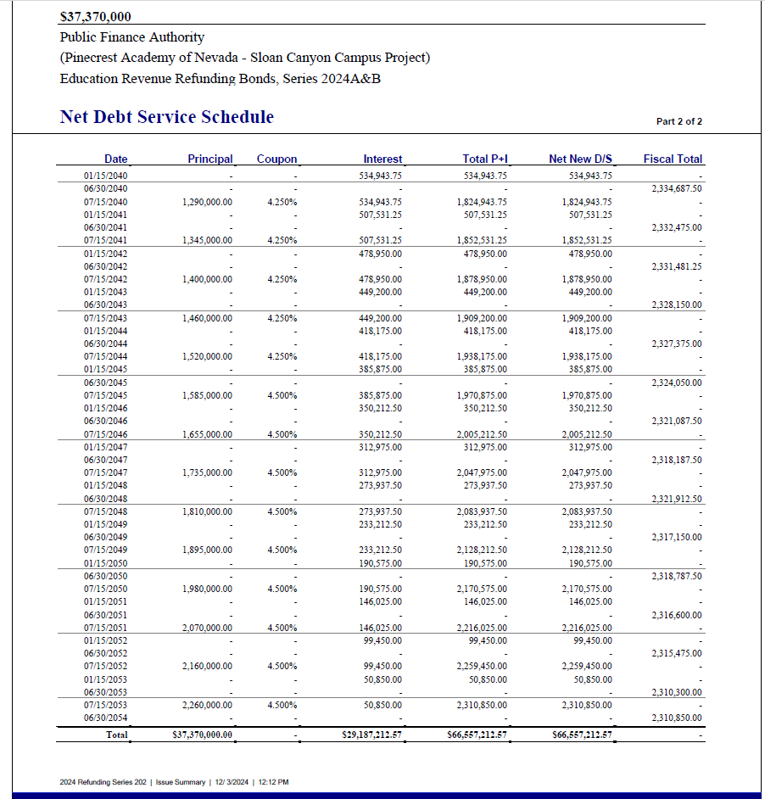

 |  | P | I | T
A-1 | 2026-06-01 | $398,333.30 | $929,183.38 | $1,327,516.68
A-2 (Re) | FY26 | - | 1,599,916.76 | 1,725,035.00
 |  |  |  | $3,052,551.68

A-1 |  | $422,916.70 | $929,183.38 | $1,330,690.00
A-2 (Re) |  |  |  | 2,024,900.00
 |  |  |  | $3,355,590.00

 |  | $447,916.67 | $885,041.14 | $1,332,957.81
 |  |  |  | 2,232,590.00
 |  |  |  | $3,565,547.81

 |  | $376,666.63 | $860,965.66 | 1,237,632.29
 |  |  |  | 2,345,190.00
 |  |  |  | 3,582,822.29

 |  | $383,749.96 | $845,383.37 | $1,229,133.33
 |  |  |  | 2,345,300.00
 |  |  |  | $3,574,433.33

Springs Rent
