Sheet4
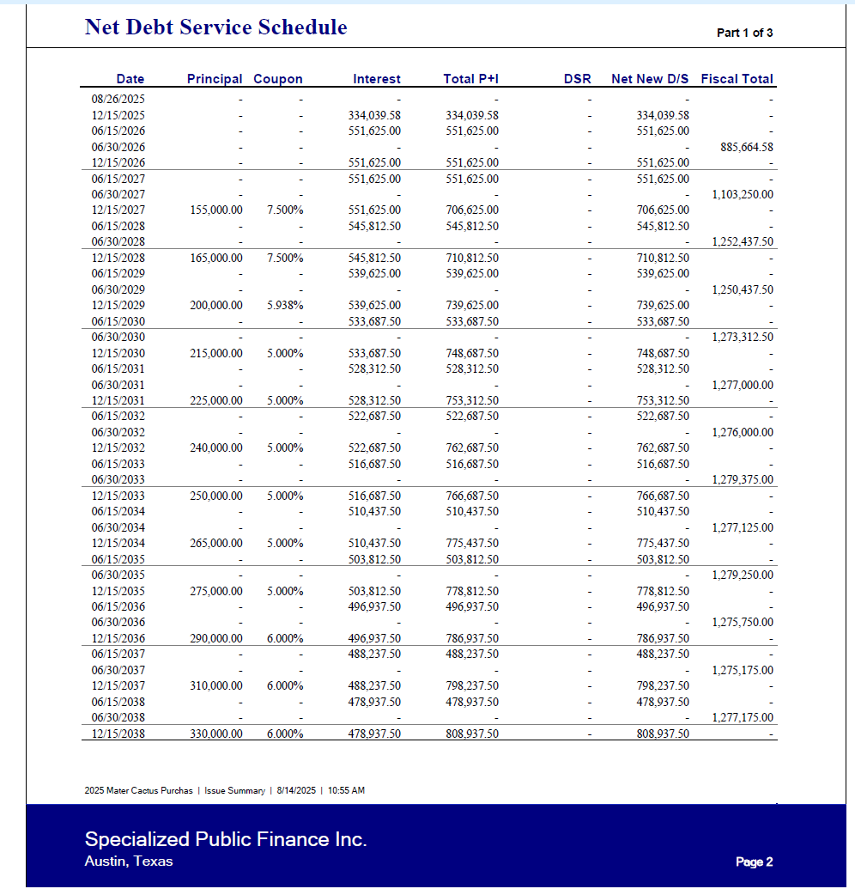

533,687.50 | 215,000.00
528,312.50 | -
1,062,000.00 | 215,000.00 | 1,277,000.00

East Rent
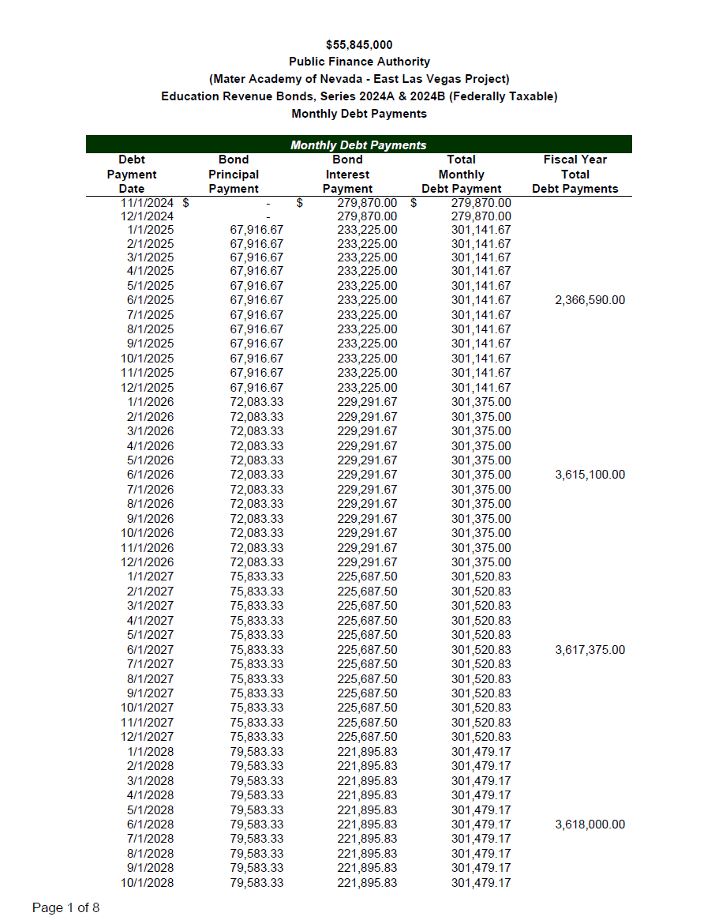
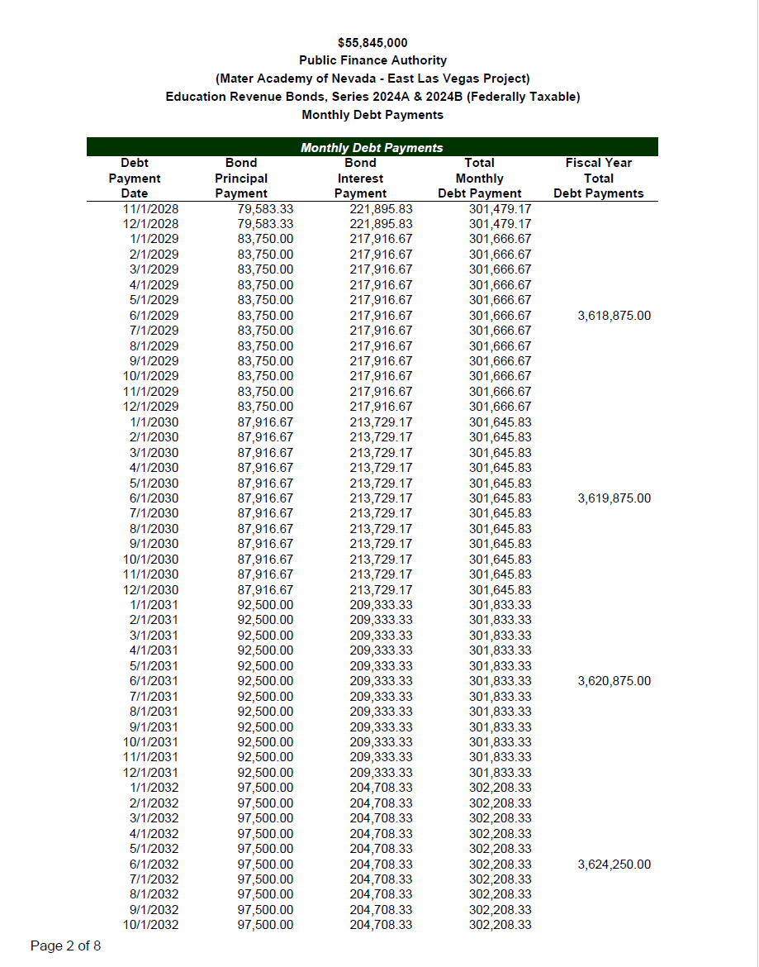

28 | 83,750.00 | 6 | 502,500.00
 | 87,916.67 | 6 | 527,500.02 | 1,030,000.02
 | 217,916.67 | 6 | 1,307,500.02
 | 213,729.17 | 6 | 1,282,375.02 | 2,589,875.04

 | 87,916.67 | 6 | 527,500.02
 | 213,729.17 | 6 | 1,282,375.02 | 1,809,875.04
 | 92,500.00 | 6 | 555,000.00
 | 209,333.33 | 6 | 1,255,999.98 | 1,810,999.98

Sheet2
