Rent
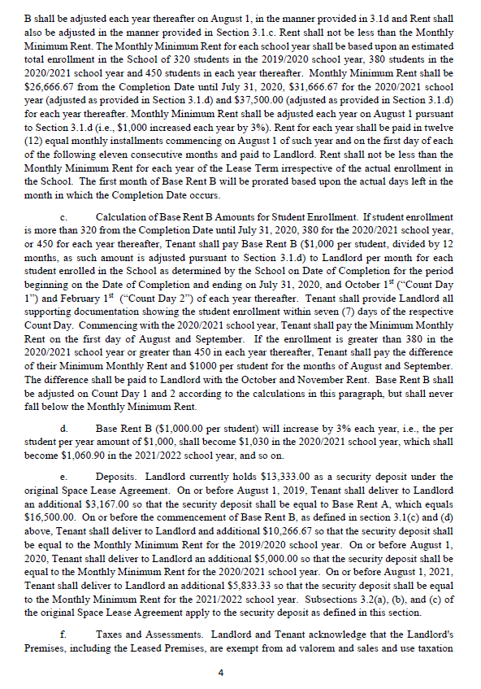
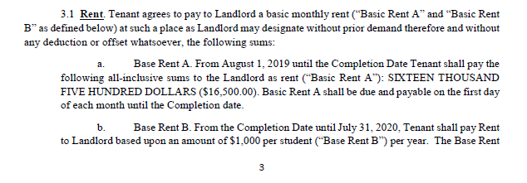

FY20 | 1,000.00
FY21 | 1,030.00
FY22 | 1,060.90
FY23 | 1,092.73
FY24 | 1,125.51
FY25 | 1,159.27
FY26 | 1,194.05
FY27 | 1,229.87
FY28 | 1,266.77
FY29 | 1,304.77
FY30 | 1,343.92

Food
