Template
Charter School/Holder Name:
Campus Name:
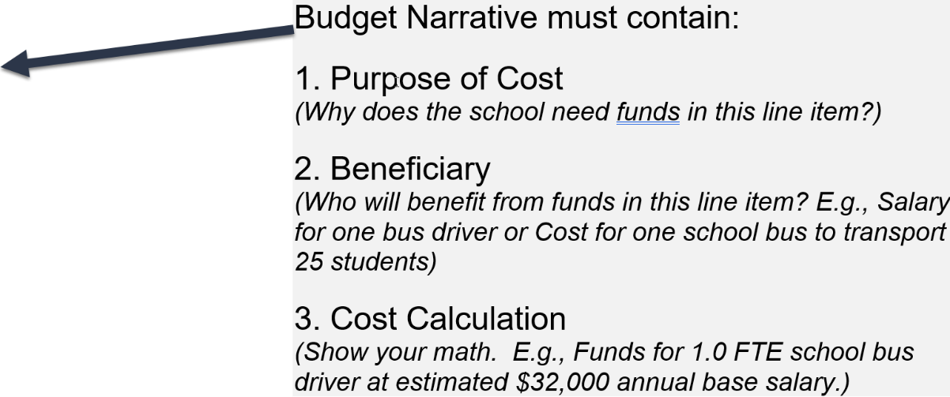
Object Code | Function Code | Quantity | Salary, Rental or Unit Cost | Narrative

