Calcs
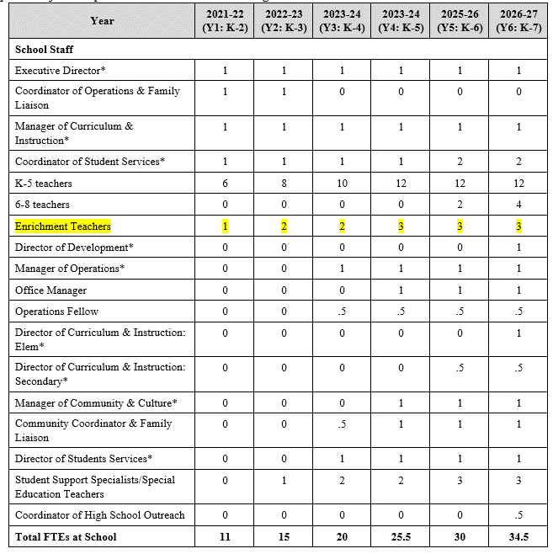
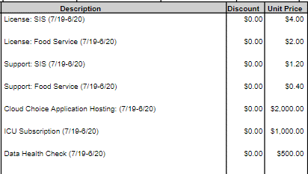
Dues & membership
Description | $ per student | Y1 enrollment | Total | similar NV school SIS costs
SIS - Infinite Campus | 5.20 | 168 | 873.60
Food Service - Infinite Campus | 2.40 | 168 | 403.20
Hosting, ICU Subscription, Data Health Checks - Infinite Campus |  |  | 3,500.00
NV State Charter Org - CSAN | 5.00 | 168 | 840.00
Kickboard | 9.50 | 168 | 1,596.00
Other | 25.00 | 168 | 4,200.00

 |  |  | 11,412.80
Driver per SPCSA model |  | FTE | 11
Total Dues & Membership per FTE - Y1 (Enrol Staff & Exp, cell C1409) |  |  | 1,037.53

student laptops
Assumes 1:1 starting in Y1

Number Students | 168.00
Estimated avg cost per chromebook | 150.00
Annual cost - year 1 |  | 25,200.00
Add miscellaneous for other classroom tech (camera, projector, etc) | 1,000.00
# classrooms - Y1 | 6.00
 |  | 6,000.00
Total classroom tech - Y1 (FFE&T, cell H37) |  | 31,200.00

Staffing details from Sandra:

Marketing
Distribution of Marketing Costs over Years
Marketing Plan & Implementation |  |  | School Year 1 (Fall Start) | 2021
Sage Collegiate PCS |  |  | SY Ending (SYE) | 2022
Mike Dang
702.486.8879
C:\Users\dpeltier\Desktop\New folder\Summer Application\Sage Collegiate Public Charter School\Website Postign\[200730-Attachment-19-Sage-Financial-Plan.xlsx]Cover

 |  |  |  |  |  |  | Charter Contract Operations Term
 |  |  |  |  |  | SY 0 | SY 1 | SY 2 | SY 3 | SY 4 | SY 5 | SY 6
12 |  |  |  |  |  | 2020 | 2021 | 2022 | 2023 | 2024 | 2025 | 2026
13 |  |  |  |  |  | SYE 2021 | SYE 2022 | SYE 2023 | SYE 2024 | SYE 2025 | SYE 2026 | SYE 2027
14 | ENROLLMENT
15 | Number of grade levels |  |  |  |  | - | 3 | 4 | 5 | 6 | 7 | 8
16 | Number of classrooms |  |  |  |  | - | 6 | 8 | 10 | 12 | 14 | 16
17
18 | K |  |  |  |  |  | 56 | 56 | 56 | 56 | 56 | 56
19 | 1st |  |  |  |  |  | 56 | 56 | 56 | 56 | 56 | 56
20 | 2nd |  |  |  |  |  | 56 | 56 | 56 | 56 | 56 | 56
21 | 3rd |  |  |  |  |  | - | 56 | 56 | 56 | 56 | 56
22 | 4th |  |  |  |  |  | - | - | 56 | 56 | 56 | 56
23 | 5th |  |  |  |  |  | - | - | - | 56 | 60 | 60
24 | 6th |  |  |  |  |  | - | - | - | - | 60 | 60
25 | 7th |  |  |  |  |  | - | - | - | - | - | 60
26 | 8th |  |  |  |  |  | - | - | - | - | - | -
27 | 9th |  |  |  |  |  | - | - | - | - | - | -
28 | 10th |  |  |  |  |  | - | - | - | - | - | -
29 | 11th |  |  |  |  |  | - | - | - | - | - | -
30 | 12th |  |  |  |  |  | - | - | - | - | - | -
31 | Total Student Enrollment |  |  |  |  |  | 168 | 224 | 280 | 336 | 400 | 460
 | Student / Classroom (w/o teachers) |  |  |  |  |  | 28 | 28 | 28 | 28 | 29 | 29

 | STUDENT RECRUITMENT AND MARKETING |  |  |  |  | SY 0 | SY 1 | SY 2 | SY 3 | SY 4 | SY 5 | SY 6
 | Method of Marketing | Schedule estimate |  |  | Totals | SYE 2021 | SYE 2022 | SYE 2023 | SYE 2024 | SYE 2025 | SYE 2026 | SYE 2027
 | Direct mailers and postage, printing, event registration fees, bumper stickers/branded items | Sample two months prior to open enrollment |  |  | $46,700 | $ - | $4,200 | $5,600 | $7,000 | $8,400 | $10,000 | $11,500
 |  |  |  |  | - | - | - | - | - | - | - | -
 |  |  |  |  | - | - | - | - | - | - | - | -
 |  |  |  |  | - | - | - | - | - | - | - | -
 |  |  |  |  | - | - | - | - | - | - | - | -
 |  |  |  |  | -
 |  |  |  |  | -
 |  |  |  |  | -
 | Total Cost |  |  |  | $46,700 | $ - | $4,200 | $5,600 | $7,000 | $8,400 | $10,000 | $11,500
 |  |  |  |  | 100% | -% | 9% | 12% | 15% | 18% | 21% | 25%

Note FFE
Note on Depreciation+
Sage Collegiate PCS
Mike Dang
702.486.8879
C:\Users\dpeltier\Desktop\New folder\Summer Application\Sage Collegiate Public Charter School\Website Postign\[200730-Attachment-19-Sage-Financial-Plan.xlsx]Cover
Generic Facilities and FFE narrative
New to this application is built in capitalization and depreciation/amortization. This applies to capital outlays on leases (such as tenant improvements) and several categories of FFE&T. Capital outlays are depreciated based on a 15-year schedule. The FFE&T tab states what depreciation schedule is being used for each category. These schedules are based on the Nevada Personal Property Manual’s expected life for each category. You can access the version of the NV Personal Property Manual used here: https://tax.nv.gov/LocalGovt/PolicyPub/ArchiveFiles/PersonalPropertyManual/2020-2021_Personal_Property_Manual_rev_03282019/ . The values used come from the Information Systems section on page 11, and the Office Furniture, Retail Sales Equipment, Other section on page 16.
The primary purpose of these additions is to give a better picture of what an audited full accrual basis Statement of Activities will look like for an applicant while still allowing for an analysis of the cash cost and cash flow outlook of operating the proposed school. With the exception of the rows for “Other Equipment”, these calculations will all be done automatically for you and require no additional inputs.
sdf

