Form 1 Cover
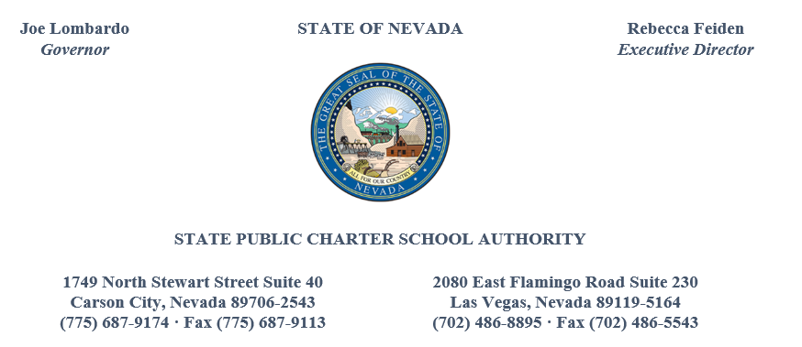

Charter School Budget - Renewal

Pinecrest Academy of Nevada |  |  |  | x | Renewal Budget

Print rage above
Update fiscal year reference to the appropriate fiscal year.

Actual Prior Year | 2023-06-30 | (Last day of FY) |  |  | TENTATIVE
Model Updated on | 2023-07-17 |  |  |  | FINAL
 |  |  |  |  | AMENDED FINAL
Estimated Current | 2023-2024
Current yr ending | 2024-06-30

Budget Year | 2023-2024
Budget yr ending | 2024-06-30
Budget yr ending | 2024-06-30

Form 6 | 2023-07-01 |  | 1st day of budget year
 | 2022-07-01

 |  | 2023-07-17

