Form 1 Cover
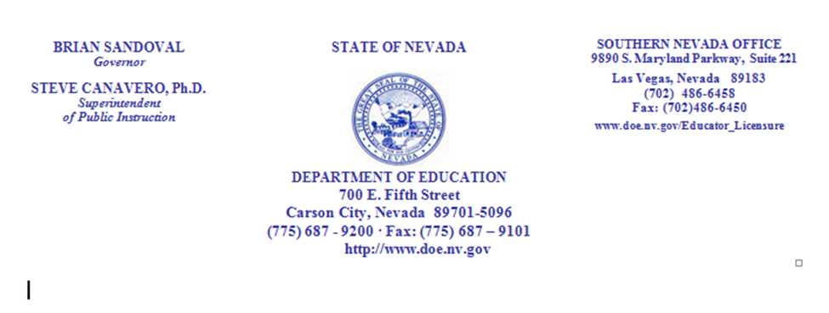

Charter School Budget

 | DiscoveryCharter School |  |  |  | herewith submits the |  | FINAL
budget for the fiscal year ending |  |  | June 30, 2019

This budget contains |  | 2 | governmental fund types with estimated expenditures of $ |  |  |  |  |  | 3,074,941
0 | proprietary funds with estimated expenses of $ |  |  |  |  | 0 | .

Per NAC 387.730:

 | TENTATIVE budget is due to the clerk or secretary of the Charter School Governing Body and Nevada Department
 |  | of Education (NDE) by April 15 annually.

 | FINAL budget must be adopted on or before June 8 Annually. Copies of the approved final budget are
 |  | SUBMITTED by the Charter School Governing Body to NDE, Legislative Council Bureau and the
 |  | Charter School sponsor if other than the Department of Education.

CERTIFICATION |  |  |  |  |  | APPROVED BY THE GOVERNING BOARD

I, |  | John S. Haynal
 | (Print Name of Governing Board President)

 | (Signature of Governing Board President)

 | certify that all applicable funds and financial
 | operations of this Local Government are
 | listed herein

 | Signed

 | Dated:

SCHEDULED PUBLIC HEARING:

Date and Time: |  |  | May 23, 2018 @ 6:00 pm |  |  |  | Publication Date | 2018-06-04

Place: |  | Hillpointe Campus
 |  | 8941 Hillpointe Road |  |  |  |  |  |  | Form 1
 |  |  |  |  |  |  |  |  | 2018-03-01

Update all fiscal year reference to the appropriate fiscal year.

Actual Prior Year |  | 2017-06-30 | Last day of FY |  | - Estimated

Estimated Current |  | 2017/2018
Current yr ending |  | 2018-06-30

Budget Year |  | 2018-2019
Budget yr ending |  | June 30, 2019
Budget yr ending |  | 2019-06-30

Form 6 |  | July 1, 2018 |  | 1st day of budget year
 |  | 2018-07-01

Updated on |  | 2018-03-01 | 2018-03-01

ps |  | budget2019

